xyza
 | x
6977.063 | 1930.387
10146.64 | 10834.52
3249.063 | 6321.329
6715.047 | 2017.379
6318 | 2197.581
3365.828 | 6539.182
9110.75 | 9482.88
10123.67 | 10900.57
10231.72 | 10932.5
3414.578 | 6469.656
7213.047 | 1594.443
6033.219 | 14900.38
5967.656 | 13991.95
8937.453 | 8836.605
8278.813 | 8846.254
6441.844 | 1952.972
6045.734 | 14435.41
6910.813 | 2036.453
16384 | 16384
7456.78 | 11503.97
10480.9 | 11337.2
10606.3 | 11049
10481.1 | 10693.5
1600 | 1800
11000.5 | 3600.78
0 | 0
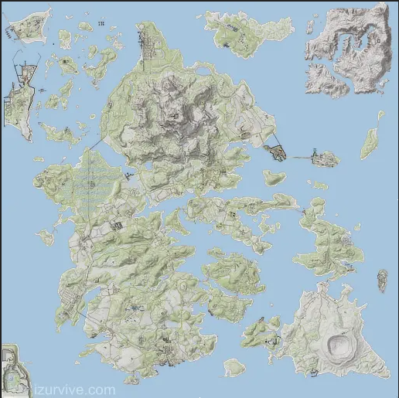
DayZ XZ Mapper |  |  | ACCEPTS XML, JSON, C, MAP STYLE COORDINATES |  | for DEER ISLE
 |  |  | x="11.11" y="2.2" z="33.33" (whole line ok) or 111, 22, 333 (coords only) or 111 22 333 (coords only)
xyza | Intentionally Blank for Copy Overflow | C | Style Detected | X | Y | Z | A/R
<pos x="6977.063" z="1930.387" a="355.8747" /> |  |  | XML | 6977.063 | 0 | 1930.387 | 355.8747
<pos x="10146.64" z="10834.52" a="246.4799" /> |  |  | XML | 10146.64 | 0 | 10834.52 | 246.4799
<pos x="3249.063" z="6321.329" a="158.3086" /> |  |  | XML | 3249.063 | 0 | 6321.329 | 158.3086
<pos x="6715.047" z="2017.379" a="85.98701" /> |  |  | XML | 6715.047 | 0 | 2017.379 | 85.98701
<pos x="6318" z="2197.581" a="137.1664" /> |  |  | XML | 6318 | 0 | 2197.581 | 137.1664
<pos x="3365.828" z="6539.182" a="316.5558" /> |  |  | XML | 3365.828 | 0 | 6539.182 | 316.5558
<pos x="9110.75" z="9482.88" a="342.6577" /> |  |  | XML | 9110.75 | 0 | 9482.88 | 342.6577
<pos x="10123.67" z="10900.57" a="158.0439" /> |  |  | XML | 10123.67 | 0 | 10900.57 | 158.0439
<pos x="10231.72" z="10932.5" a="246.4799" /> |  |  | XML | 10231.72 | 0 | 10932.5 | 246.4799
<pos x="3414.578" z="6469.656" a="147.6086" /> |  |  | XML | 3414.578 | 0 | 6469.656 | 147.6086
<pos x="7213.047" z="1594.443" a="280.0724" /> |  |  | XML | 7213.047 | 0 | 1594.443 | 280.0724
<pos x="6033.219" z="14900.38" a="179.6326" /> |  |  | XML | 6033.219 | 0 | 14900.38 | 179.6326
<pos x="5967.656" z="13991.95" a="180.148" /> |  |  | XML | 5967.656 | 0 | 13991.95 | 180.148
<pos x="8937.453" z="8836.605" a="141.8684" /> |  |  | XML | 8937.453 | 0 | 8836.605 | 141.8684
<pos x="8278.813" z="8846.254" a="302.2393" /> |  |  | XML | 8278.813 | 0 | 8846.254 | 302.2393
<pos x="6441.844" z="1952.972" a="353.941" /> |  |  | XML | 6441.844 | 0 | 1952.972 | 353.941
<pos x="6045.734" z="14435.41" a="87.32887" /> |  |  | XML | 6045.734 | 0 | 14435.41 | 87.32887
<pos x="6910.813" z="2036.453" a="179.7086" /> |  |  | XML | 6910.813 | 0 | 2036.453 | 179.7086
16384, 1, 16384 |  |  | JSON | 16384 | 1 | 16384 | 0
7456.78, 358, 11503.97 |  |  | JSON | 7456.78 | 358 | 11503.97 | 0
<zone name="Graze" smin="0" smax="0" dmin="0" dmax="0" x="10480.9" z="11337.2" r="150"/> |  |  | XML | 10480.9 | 0 | 11337.2 | 150
<zone name="Graze" smin="0" smax="0" dmin="0" dmax="0" x="10606.3" z="11049" r="100"/> |  |  | XML | 10606.3 | 0 | 11049 | 100
<zone name="Graze" smin="0" smax="0" dmin="0" dmax="0" x="10481.1" z="10693.5" r="150"/> |  |  | XML | 10481.1 | 0 | 10693.5 | 150
1600 25.36 1800 |  | ++ | C/MAP | 1600 | 25.3618 | 1800 | 0
11000.5 321 3600.78 |  | ++ | C/MAP | 11000.5 | 3213600.78 | 3600.78 | 0
Zero Zero |  |  | other | 0 | 0 | 0 | 0

